Data -> Dashboard
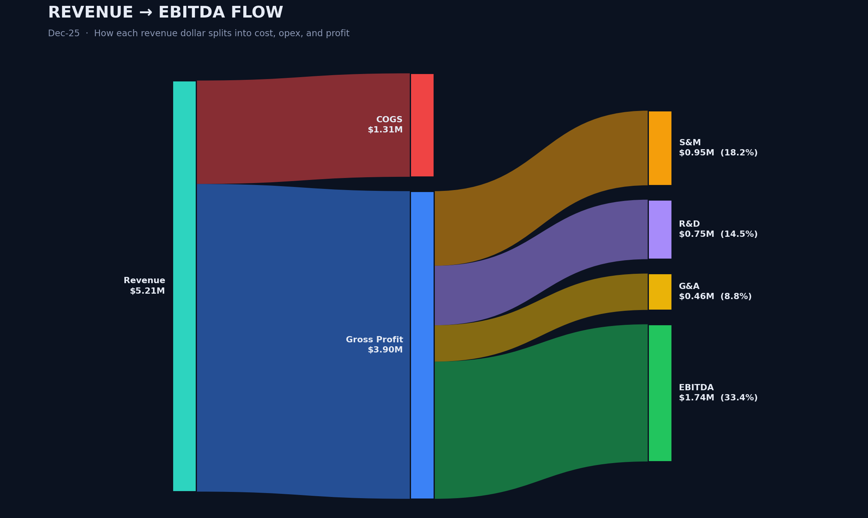
 |  |  |  |  |  |  |  |  |  |  |  | The Data ↓ (for you to replace with yours) |  |  |  |  |  |  | The Code ↓ | The Result ↓

Month | Revenue_Actual | Revenue_Budget | Revenue_Forecast | COGS_Actual | Gross_Margin_Pct | SM_Expense | RD_Expense | GA_Expense | EBITDA_Actual | EBITDA_Budget | Cash_Balance | Active_Customers | New_Customers | Churn_Pct | Headcount | ARR | CAC | DSO_Days
Jan-23 | $2,306,509 | $2,286,719 | $2,316,463 | $679,132 | 70.6% | $528,842 | $394,098 | $263,416 | $441,021 | $460,104 | $12,405,722 | 1,685 | 94 | 352.2% | 105 | $25,328,811 | $1,023 | 52.4
Feb-23 | $2,374,507 | $2,379,922 | $2,391,442 | $718,327 | 69.7% | $538,487 | $402,918 | $268,448 | $446,327 | $471,144 | $12,332,579 | 1,722 | 97 | 353.0% | 106 | $26,264,703 | $1,039 | 53.0
Mar-23 | $2,527,594 | $2,521,433 | $2,521,471 | $728,949 | 71.2% | $550,614 | $403,709 | $286,549 | $557,772 | $581,627 | $12,290,484 | 1,770 | 107 | 341.8% | 108 | $27,980,494 | $984 | 51.9
Apr-23 | $2,606,097 | $2,638,970 | $2,611,342 | $768,201 | 70.5% | $589,992 | $416,912 | $292,525 | $538,467 | $571,649 | $12,264,639 | 1,821 | 117 | 368.6% | 110 | $28,501,020 | $1,017 | 52.4
May-23 | $2,652,600 | $2,714,154 | $2,648,731 | $800,996 | 69.8% | $569,467 | $436,237 | $291,069 | $554,831 | $594,848 | $12,272,985 | 1,878 | 120 | 342.4% | 111 | $28,854,348 | $1,038 | 52.2
Jun-23 | $2,750,882 | $2,736,870 | $2,732,951 | $796,129 | 71.1% | $614,613 | $441,140 | $297,558 | $601,442 | $625,747 | $12,366,789 | 1,931 | 117 | 337.8% | 111 | $30,489,940 | $1,055 | 48.6
Jul-23 | $2,669,892 | $2,663,823 | $2,695,842 | $769,278 | 71.2% | $566,309 | $421,615 | $287,718 | $624,971 | $650,189 | $12,534,201 | 1,962 | 102 | 362.6% | 116 | $29,910,587 | $1,052 | 52.8
Aug-23 | $2,652,272 | $2,710,979 | $2,696,249 | $778,774 | 70.6% | $559,784 | $423,357 | $291,165 | $599,192 | $639,565 | $12,652,076 | 2,027 | 130 | 330.5% | 114 | $29,518,064 | $1,002 | 47.9
Sep-23 | $2,853,775 | $2,820,332 | $2,894,604 | $807,349 | 71.7% | $597,825 | $476,064 | $299,051 | $673,487 | $693,798 | $12,778,697 | 2,080 | 124 | 346.0% | 116 | $31,613,921 | $968 | 51.2
Oct-23 | $3,004,014 | $3,014,721 | $3,011,461 | $872,223 | 71.0% | $625,104 | $483,917 | $318,695 | $704,075 | $736,731 | $12,829,337 | 2,128 | 123 | 358.0% | 118 | $33,032,355 | $981 | 52.6
Nov-23 | $3,252,126 | $3,223,411 | $3,264,958 | $944,459 | 71.0% | $702,006 | $540,498 | $354,915 | $710,247 | $736,210 | $12,933,692 | 2,188 | 129 | 319.6% | 118 | $35,623,663 | $1,019 | 51.9
Dec-23 | $3,398,167 | $3,501,756 | $3,399,161 | $954,951 | 71.9% | $702,263 | $552,943 | $372,922 | $815,088 | $874,953 | $13,019,608 | 2,239 | 120 | 315.1% | 123 | $37,942,536 | $976 | 50.9
Jan-24 | $2,697,790 | $2,790,593 | $2,744,249 | $783,266 | 71.0% | $591,296 | $419,498 | $282,639 | $621,091 | $670,362 | $13,160,626 | 2,302 | 136 | 324.3% | 122 | $30,134,785 | $981 | 46.0
Feb-24 | $2,866,003 | $2,900,517 | $2,905,748 | $789,498 | 72.5% | $603,720 | $469,658 | $291,543 | $711,583 | $749,158 | $13,265,206 | 2,342 | 115 | 322.9% | 124 | $31,525,728 | $961 | 46.1
Mar-24 | $3,023,022 | $3,107,722 | $3,035,915 | $823,340 | 72.8% | $613,664 | $465,362 | $300,090 | $820,565 | $874,634 | $13,482,089 | 2,397 | 133 | 332.8% | 125 | $33,807,519 | $979 | 50.0
Apr-24 | $3,127,204 | $3,188,856 | $3,125,255 | $847,291 | 72.9% | $638,920 | $511,608 | $327,274 | $802,112 | $849,814 | $13,666,990 | 2,454 | 138 | 334.2% | 128 | $34,561,335 | $1,005 | 47.1
May-24 | $3,201,997 | $3,339,617 | $3,256,919 | $897,507 | 72.0% | $644,944 | $491,131 | $318,953 | $849,462 | $919,367 | $13,863,085 | 2,520 | 141 | 305.1% | 128 | $35,070,754 | $947 | 48.1
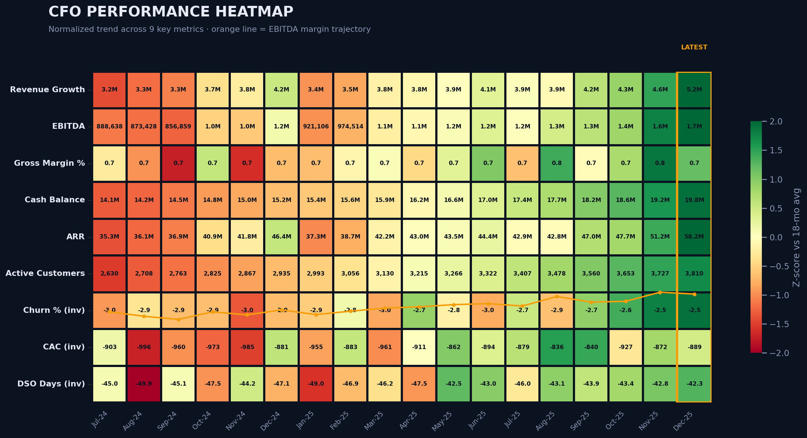
Jun-24 | $3,277,618 | $3,370,863 | $3,311,808 | $876,288 | 73.3% | $689,418 | $517,325 | $340,763 | $853,823 | $911,822 | $13,991,805 | 2,553 | 118 | 334.3% | 134 | $36,450,184 | $1,013 | 48.1
Jul-24 | $3,183,259 | $3,292,493 | $3,171,985 | $848,502 | 73.3% | $644,917 | $496,268 | $304,936 | $888,638 | $952,056 | $14,116,789 | 2,630 | 153 | 297.5% | 132 | $35,275,738 | $903 | 45.0
Aug-24 | $3,292,489 | $3,267,016 | $3,317,706 | $901,784 | 72.6% | $667,940 | $514,827 | $334,511 | $873,428 | $899,340 | $14,239,886 | 2,708 | 154 | 287.3% | 136 | $36,101,583 | $996 | 49.9
Sep-24 | $3,349,816 | $3,442,055 | $3,396,043 | $943,883 | 71.8% | $703,513 | $506,911 | $338,649 | $856,859 | $914,874 | $14,453,155 | 2,763 | 135 | 292.9% | 138 | $36,898,445 | $960 | 45.1
Oct-24 | $3,701,176 | $3,654,638 | $3,755,154 | $954,662 | 74.2% | $761,604 | $588,965 | $363,806 | $1,032,139 | $1,055,707 | $14,793,672 | 2,825 | 143 | 292.8% | 140 | $40,859,059 | $973 | 47.5
Nov-24 | $3,775,186 | $3,929,288 | $3,758,017 | $1,059,227 | 71.9% | $761,315 | $581,652 | $354,751 | $1,018,241 | $1,099,098 | $14,974,152 | 2,867 | 128 | 304.3% | 138 | $41,849,341 | $985 | 44.2
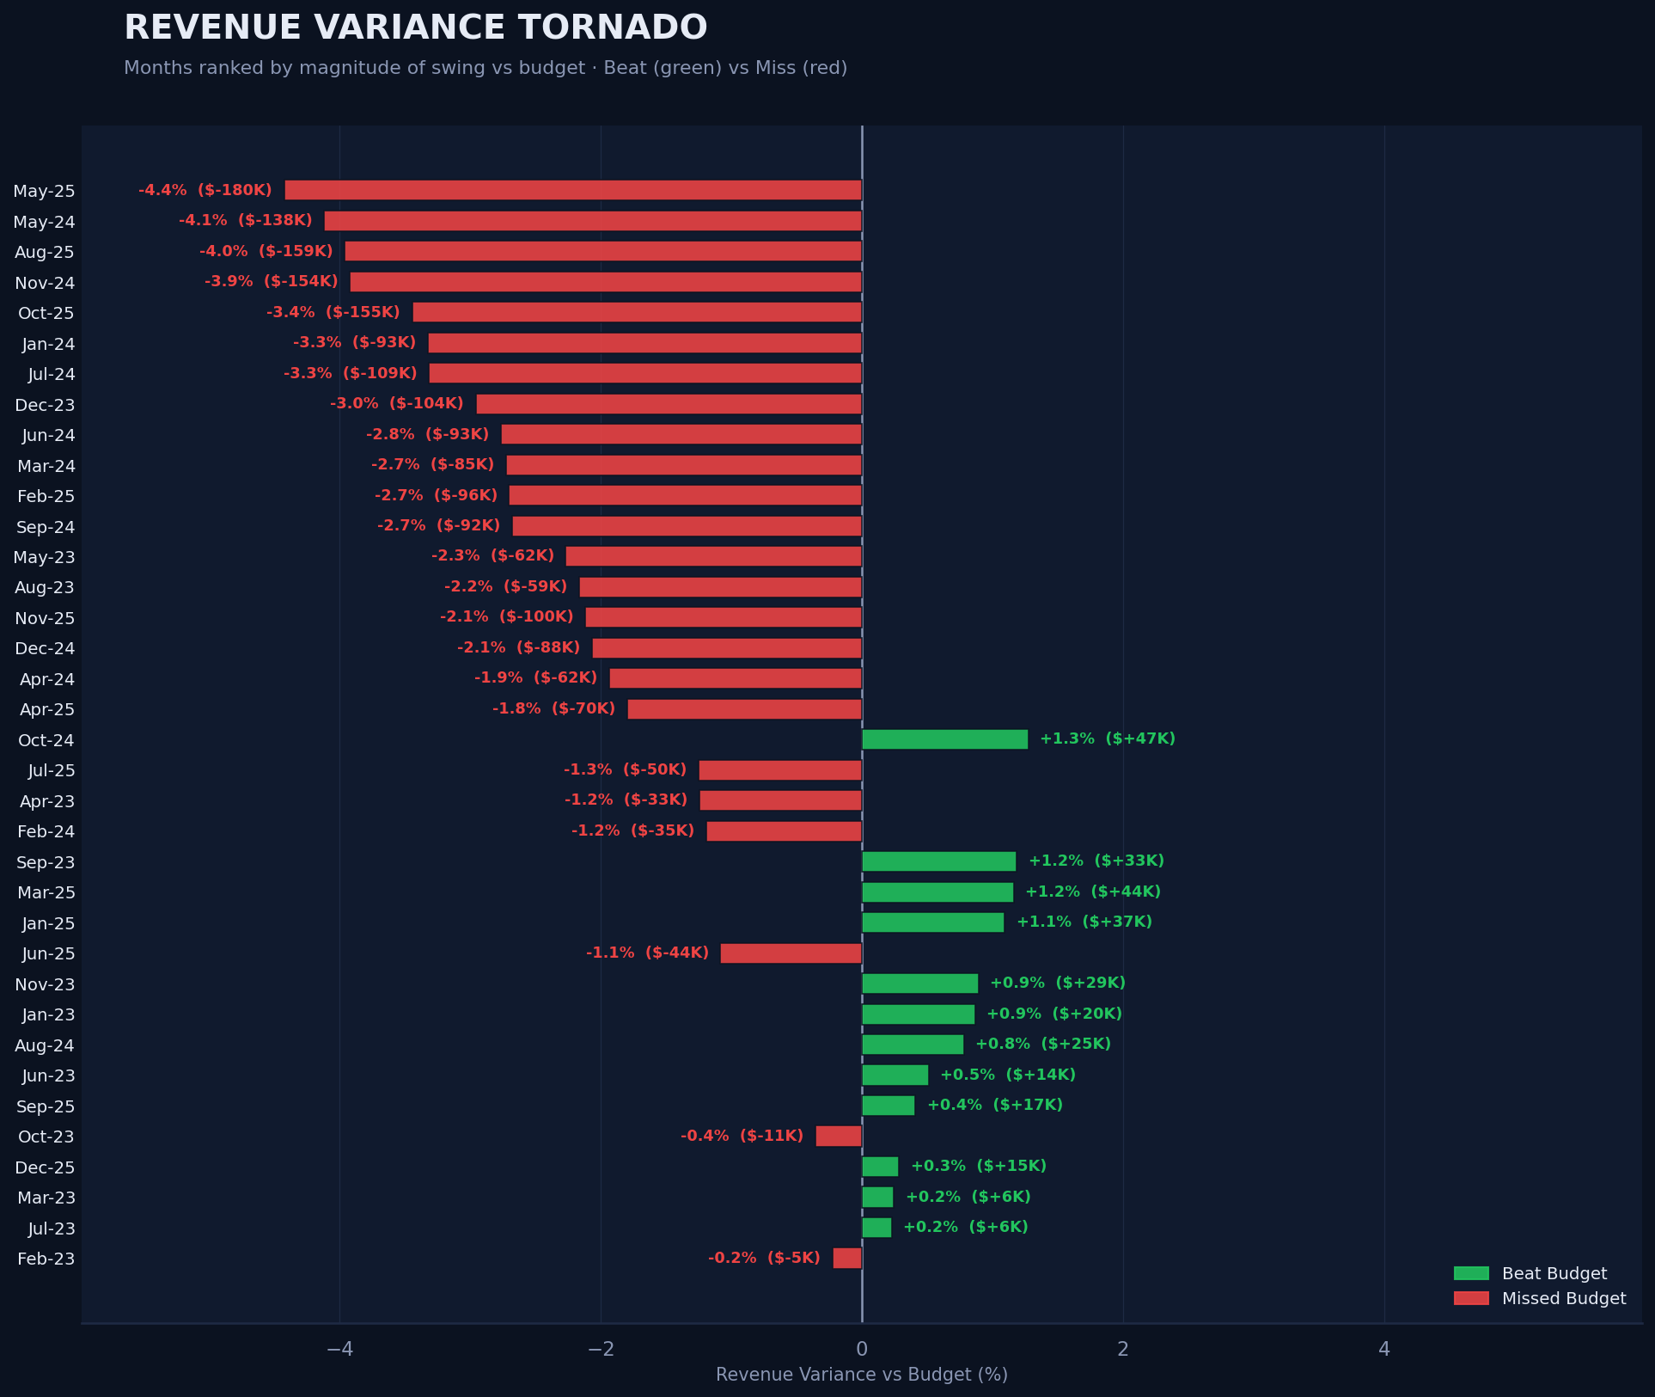
Dec-24 | $4,163,575 | $4,251,556 | $4,135,314 | $1,127,679 | 72.9% | $814,765 | $624,777 | $410,115 | $1,186,238 | $1,253,820 | $15,247,620 | 2,935 | 153 | 293.3% | 144 | $46,382,767 | $881 | 47.1
Jan-25 | $3,405,363 | $3,368,590 | $3,379,129 | $921,820 | 72.9% | $691,879 | $540,226 | $330,332 | $921,106 | $944,845 | $15,385,359 | 2,993 | 144 | 290.9% | 142 | $37,300,947 | $955 | 49.0
Feb-25 | $3,469,417 | $3,565,803 | $3,463,774 | $920,197 | 73.5% | $700,464 | $532,427 | $341,815 | $974,514 | $1,037,246 | $15,585,712 | 3,056 | 147 | 279.1% | 146 | $38,654,946 | $883 | 46.9
Mar-25 | $3,804,615 | $3,760,915 | $3,856,148 | $1,001,563 | 73.7% | $775,724 | $566,974 | $355,643 | $1,104,711 | $1,129,631 | $15,860,778 | 3,130 | 165 | 295.7% | 147 | $42,175,287 | $961 | 46.2
Apr-25 | $3,836,354 | $3,906,642 | $3,841,853 | $1,030,218 | 73.1% | $729,228 | $586,062 | $361,751 | $1,129,093 | $1,188,846 | $16,225,163 | 3,215 | 169 | 266.3% | 148 | $43,003,754 | $911 | 47.5
May-25 | $3,894,220 | $4,074,513 | $3,913,112 | $1,015,220 | 73.9% | $739,402 | $606,664 | $360,645 | $1,172,288 | $1,267,307 | $16,597,898 | 3,266 | 143 | 284.7% | 150 | $43,504,520 | $862 | 42.5
Jun-25 | $4,050,538 | $4,094,905 | $4,074,131 | $1,025,859 | 74.7% | $777,939 | $627,670 | $386,597 | $1,232,473 | $1,286,921 | $16,989,661 | 3,322 | 153 | 295.2% | 154 | $44,411,595 | $894 | 43.0
Jul-25 | $3,911,783 | $3,961,311 | $3,908,154 | $1,058,380 | 72.9% | $724,567 | $595,342 | $372,738 | $1,160,755 | $1,215,065 | $17,356,380 | 3,407 | 176 | 272.6% | 156 | $42,860,870 | $879 | 46.0
Aug-25 | $3,856,240 | $4,015,236 | $3,879,174 | $962,085 | 75.1% | $719,590 | $574,521 | $343,016 | $1,257,028 | $1,349,008 | $17,703,235 | 3,478 | 171 | 292.7% | 156 | $42,773,456 | $836 | 43.1
Sep-25 | $4,218,798 | $4,201,562 | $4,279,932 | $1,116,005 | 73.5% | $772,831 | $641,963 | $384,834 | $1,303,165 | $1,339,856 | $18,159,884 | 3,560 | 175 | 265.7% | 158 | $47,043,771 | $840 | 43.9
Oct-25 | $4,344,363 | $4,499,347 | $4,419,742 | $1,112,309 | 74.4% | $813,870 | $669,059 | $396,892 | $1,352,233 | $1,445,467 | $18,629,123 | 3,653 | 185 | 258.0% | 160 | $47,682,210 | $927 | 43.4
Nov-25 | $4,639,741 | $4,740,167 | $4,657,237 | $1,134,977 | 75.5% | $869,911 | $673,010 | $387,681 | $1,574,162 | $1,655,636 | $19,200,608 | 3,727 | 166 | 251.1% | 161 | $51,166,156 | $872 | 42.8
Dec-25 | $5,213,897 | $5,199,214 | $5,212,289 | $1,311,800 | 74.8% | $946,494 | $754,667 | $461,034 | $1,739,902 | $1,786,995 | $19,784,576 | 3,810 | 176 | 249.0% | 160 | $58,222,111 | $889 | 42.3

